Tail Wheel Weight
http://mustangaero.com/downloads/Mustang_Revisions/M-II%20Revisions/Mustang-II _Tail_Weight.xlsm

For a Mustang II with:

Sta Location Main Gear = | 58.7 | [ typical value but can change for specific airplane - NOTE a small change will make a noticeable difference ]
 |  | [ this is per the plans with the main gear axle 15" fwd of sta 73.75, the center of the C/S main spar ]

Sta Location Tailwheel = | 228 | [ typical value but can change for specific airplane ]

Sta CG empty = | 64.5 | [ should be close to 64.5 but can change for specific airplane ]

Header Fuel Tank = | 0 | [ change to appropriate gallons - NOTE each 8gal only reduces tail weight by 1 pound ]

Weight Tail = [ Weight Empty * ( Sta Loc CG Empty - Sta Loc Main ) ] / ( Sta Loc Tail - Sta Loc Main )

So For a Typical Mustang II: Weight Tail = 0.034 * Weight Empty
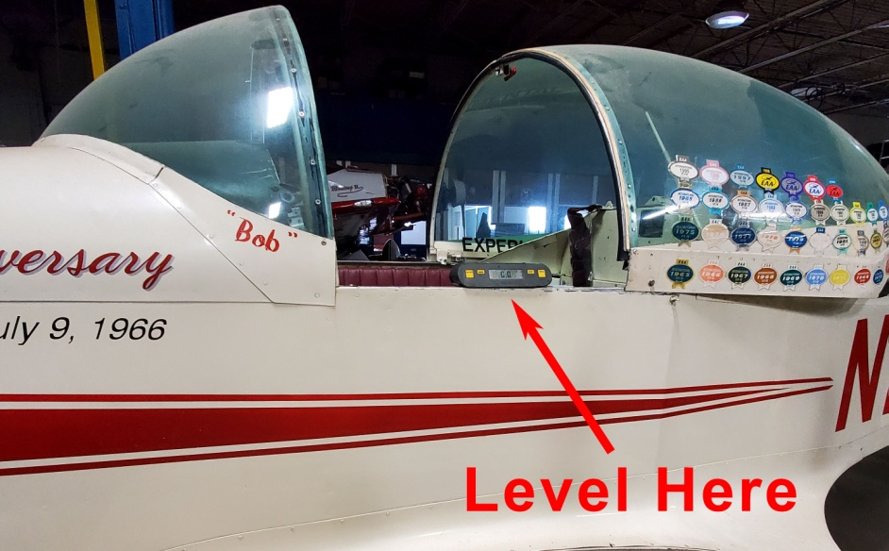

Weight Empty = | 1000 | [ enter a value ]

Then:
Weight with Fuel = | 1000
Sta CG with Fuel = | 64.5
Weight Tail = | 34.3 | pounds

Weight Empty = | 1275 | [ enter a value ]
** Note the tailwheel needs to be weighed in the level flight position. For a standard M-II, the cockpit side rails should be level as shown above.
Then:
Weight with Fuel = | 1275
Sta CG with Fuel = | 64.5
Weight Tail = | 43.7 | pounds

